Sheet1
Unprogrammed, no-module main board budget
Part Ref. ID | Part Type | Voltage I | Voltage O | Current I | Current O | Expected Nominal Power Draw | Datasheet Ref.
U1 | CPU | 5 V | 5 V | 512 μA (active) |  | 2.56 mW | pg.1250 Table 40-4
U7 | 5V Regulator | 6 V | 5 V | ~35.5 mA | ~ 35 mA, 0.1mA (min) to 300 mA (max) | 35.5 mW | pg.17 AP2210-5.0 Electrical Characteristics
U10 | 3.3V Regulator | 5 V | 3.3 V | 1.35 mA | 1 mA, 0.1mA (min) to 300 mA (max) | 1.7V * current = | pg.11 AP2210-3.3 Electrical Characteristics
U12 | H bridge | 5 V | - | 16 mA (Total typical quiescent logic supply current), 22 mA (Total max quiescent logic supply current) | - | 80 mW or 0.11 W | pg.3 Electrical Characteristics table
U19 | N-Channel MOSFET | 5 / 3.3 V | 5 / 3.3 V | 330 - 500 uA 0.88 A? | 330 - 500 uA 0.88 A? | 100 uW | pg.1 Absolute Maximum Ratings table
U20 | N-Channel MOSFET | ↑ | ↑ | ↑ | ↑ | ↑ | ↑

rows (A3 : A8) |  |  |  |  |  | 120.46 mW | 0.02 | Amps
 |  |  |  |  |  | Test result: 5.9 VDC, 0.10 A, 590 mW

 | https://www.digikey.com/product-detail/en/diodes-incorporated/AP2210K-5.0TRG1/AP2210K-5.0TRG1DICT-ND/4505292

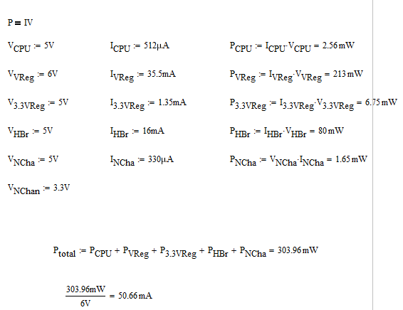

 |  |  |  |  |  |  | need to find total power consumption through 3.3V. level shifter subsystem and accelerometer
 |  |  |  |  |  |  | accelerometer not connected yet on board

Unprogrammed main board, only module attached is IMU
Part Type | Voltage I | Voltage O | Current I | Current O | Expected Nominal Power Draw | Datasheet Ref.
CPU | 5 V | 5 V | 512 μA (active) |  | 2.56 mW | pg.1250 Table 40-4
5V Regulator | 6 V | 5 V | ~35.5 mA | ~ 35 mA, 0.1mA (min) to 300 mA (max) | 35.5 mW | pg.17 AP2210-5.0 Electrical Characteristics
3.3V Regulator | 5 V | 3.3 V | 1.35 mA | 1 mA, 0.1mA (min) to 300 mA (max) | 1.7V * current = | pg.11 AP2210-3.3 Electrical Characteristics
H bridge | 5 V | - | 16 mA (Total typical quiescent logic supply current), 22 mA (Total max quiescent logic supply current) | - | 80 mW or 0.11 W | pg.3 Electrical Characteristics table
N-Channel MOSFET | 5 / 3.3 V | 5 / 3.3 V | 330 - 500 uA 0.88 A? | 330 - 500 uA 0.88 A? | 100 uW | pg.1 Absolute Maximum Ratings table
N-Channel MOSFET | ↑ | ↑ | ↑ | ↑ | ↑ | ↑
IMU | 3.3 V | 3.3 V | 8.76 uA - 450 uA | - | 28.908 uW - 1.485 mW | pg.11 Table 3.4.1 D.C. Electrical Characteristics

 |  |  |  |  | Theoretical total: --
 |  |  |  |  | Test result: --

main board, includes modules
Part Type | Voltage I | Voltage O | Current I | Current O | Expected Nominal Power Draw | Datasheet Ref.
CPU | 5 V | 5 V | 512 μA (active) |  | 2.56 mW | pg.1250 Table 40-4
5V Regulator | 6 V | 5 V | ~35.5 mA | ~ 35 mA, 0.1mA (min) to 300 mA (max) | 35.5 mW | pg.17 AP2210-5.0 Electrical Characteristics
3.3V Regulator | 5 V | 3.3 V | 1.35 mA | 1 mA, 0.1mA (min) to 300 mA (max) | 1.7V * current = | pg.11 AP2210-3.3 Electrical Characteristics
H bridge | 5 V | - | 16 mA (Total typical quiescent logic supply current), 22 mA (Total max quiescent logic supply current) | - | 80 mW or 0.11 W | pg.3 Electrical Characteristics table
N-Channel MOSFET | 5 / 3.3 V | 5 / 3.3 V | 330 - 500 uA 0.88 A? | 330 - 500 uA 0.88 A? | 100 uW | pg.1 Absolute Maximum Ratings table
N-Channel MOSFET | ↑ | ↑ | ↑ | ↑ | ↑ | ↑
IMU | 3.3 V | 3.3 V | 8.76 uA - 450 uA | - | 28.908 uW - 1.485 mW | pg.11 Table 3.4.1 D.C. Electrical Characteristics

 |  |  |  |  | Theoretical total: --
 |  |  |  |  | Test result: --

